Bug1
Category | Label | Value
Bug ID | ID number | #001
 | Name | TC_OwnerAdd_01 - Entering first name with longer than 25 characters page generates a 400 error code
 | Reporter | Christopher Wise
 | Submit Date | 2020-04-04
Bug overview | Summary | Entering username with longer than 25 characters page generates a 400 error code
 | URL | https://clinic.doveryai-no-proveryai.com/petclinic/owners/add
 | 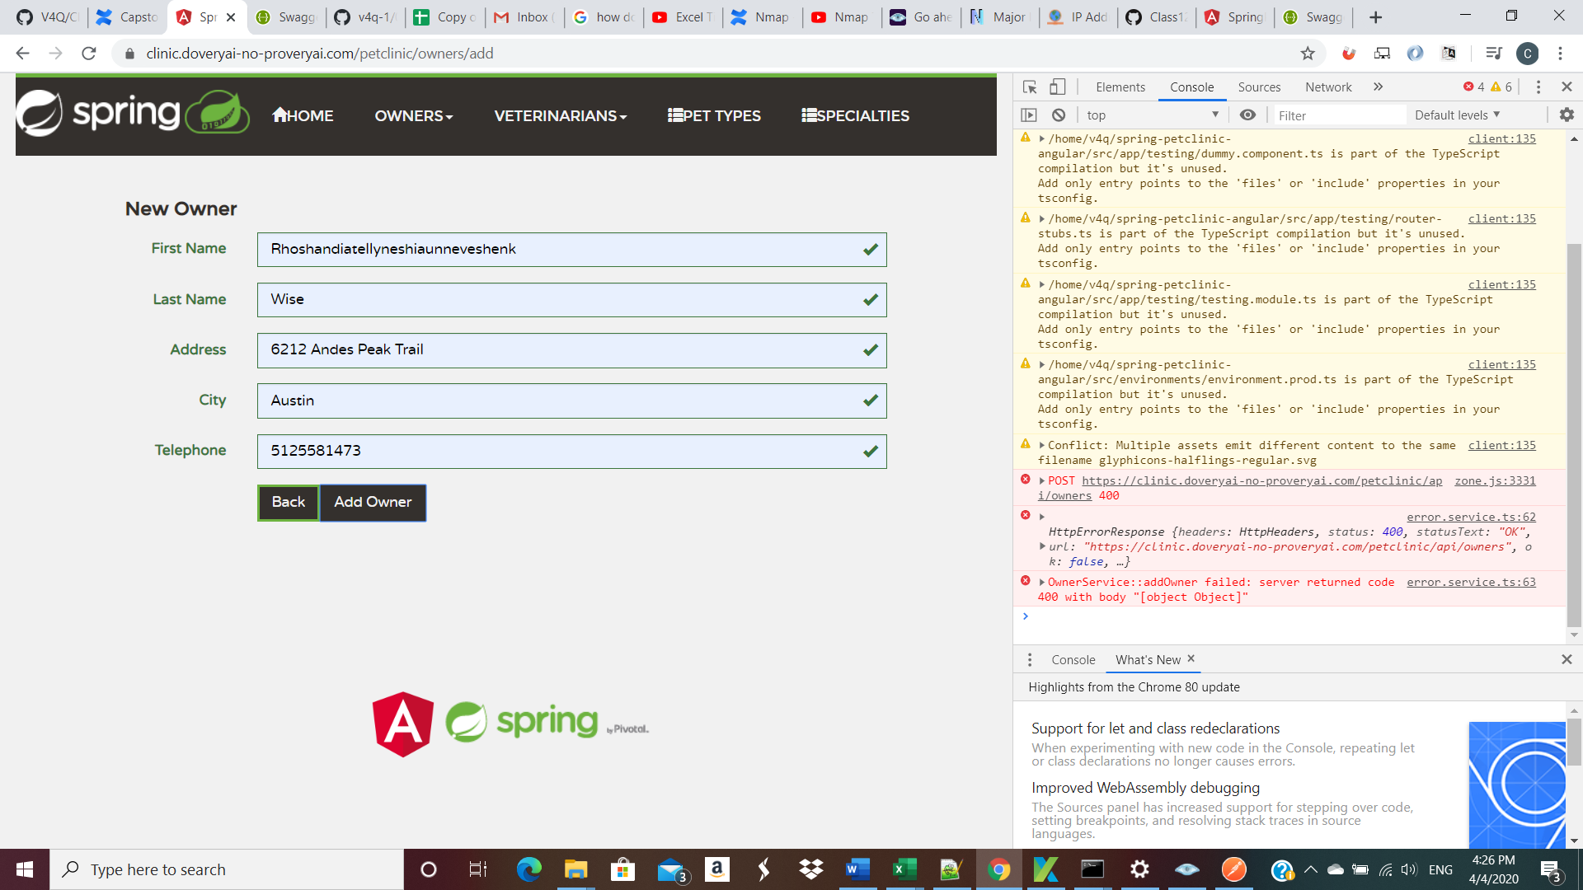 Screenshot
Environment | Platform | Windows HP
 | Operating System | Windows 10 Home
 | Browser | Version 80.0.3987.149 (Official Build) (64-bit
Bug details | Steps to reproduce | 1. Navigate to the url above 2.Enter 'Rhoshandiatellyneshiaunneveshenk' into the username box. 3.Fill out the rest of the information and click to add owner. 4. Get error above
 | Expected result | Website will take you to page showing that your new owner has been added to the system.
 | Actual result | No message shown, Error message saying that the server returned the code "400 with body"
 | Description
Bug tracking | Severity | Major
 | Assigned to | /
 | Priority | Low
Notes | Notes | Version 2.0 of Petclinic

